Assets
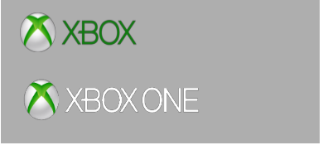
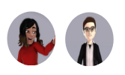

Paleta de Cores

# 9BC848 | Xbox Color | # E8E6E9 | negative zone
# 22C55E | Xbox Color
# 2AE6B1 | Menus
# 5BF6A8 | Menus

Logos |  |  |  | ícones

Cálculos
É uma pergunta de negóocio respondida através de alguma análise de dado específica

Pergunta de negócio 1 - Qual o faturamento total de vendas de planos anuais (contendo toadas as assinaturas agregadas)?
Pergunta de neg[ocio 2 - Qual faturamento total de vendas de planos anuais, separado por auto renovação não é por auto renovação?

Subscription Type | Monthly

Auto Renewal | Soma de Total Value
No | R$ 1,836.00
Yes | R$ 585.00
Total Geral | R$ 2,421.00

Pergunta de negócio 3 - Total de vendas de assinaturas do EA Play?

EA Play Season Pass | Soma de EA Play Season Pass Price
Yes | R$ 1,350.00
Total Geral | R$ 1,350.00

 |  | R$ 1,350.00

Pergunta de negócio 4 - Total de vendas de assinaturas do Minecraft Season Pass?

Subscription Type | (Tudo)

Plan | Soma de Minecraft Season Pass Price
Core | R$ 20.00
Standart | R$ 20.00
Ultimate | R$ 1,920.00
Total Geral | R$ 1,960.00 |  | R$ 1,960.00

Dashboards
XBOX GAME PASS SUBSCRIPTIONS SALES

Total subscriptions Xbox Game Pass
 | Total
No | R$1,836.00
Yes | R$585.00
Período de apuração: 01/01/2024 - 31/12/2024
Atualização: 08/06/2025 00:01

Total subscriptions EA Paly Season Pass
Total subscriptions Minecraft Season Pass

R$ 1,350.00 | R$ 1,960.00

